Example package - per person
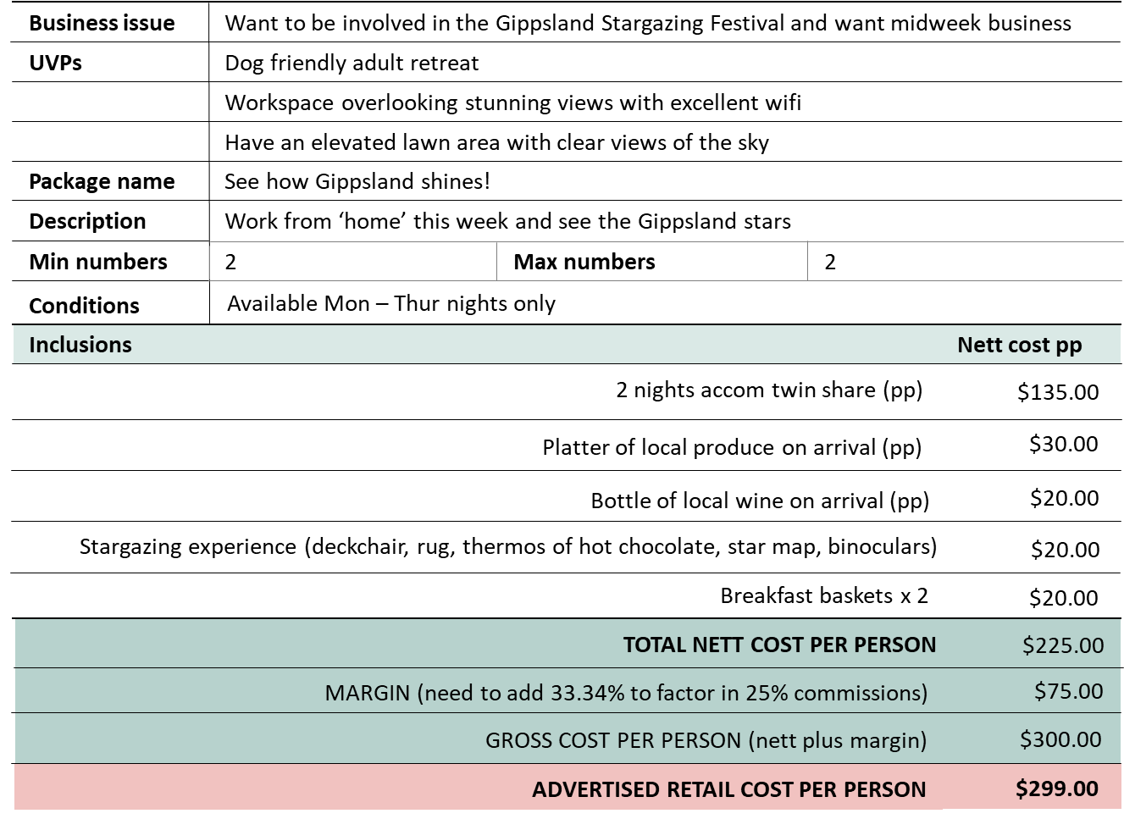
Gippsland stargazing package

